Sainte Maxime
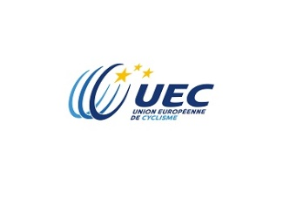 |  |  | Dijon Messigny (France) |  |  | Send to: René NICOLAS

 |  |  |  |  |  |  | e.mail: bmx.europe@orange.fr

 |  |  | Entries form

2015 BMX EUROPEAN LEAGUE - ROUNDS 3 and 4
Name of Association |  |  |  |  |  |  | BANK DATAS OF THE ORGANISER
Adress 1 |  |  |  |  |  | NAME | BMX VTT CLUB MESSIGNY ET VANTOUX
Adress 2 |  |  |  |  |  | ADRESS | 11 GRANDE RUE
Residence |  |  |  |  |  |  | F - 21490 CLENAY
Postal Code |  |  |  |  |  | IBAN | FR76 1027 8025 6800 0822 5854 582
Name of Team manager |  |  |  |  |  | BIC | CMCIFR2A
 |  |  |  |  |  | BANK | CCM DIJON THEATRE MIRANDE
 |  | Deadline | April 17th 2015

 | Payment of entry fees |  | Bank transfer
 |  |  | Cash at registration desk

 | Entry fees : | Men Elite, Women Elite : 59,00 euros, Men Junior, Women Junior 37,00 euros ( per round)
 |  | All Challenge classes: 29,00 euros per class (file one line per class)
 | Entry fees will be paid by bank transfer or in cash at registration control desk (tick in the corresponding cell)
 | Class entered for: | Plate # | Family name/ first name | Nation | Full D.O.B | ROUND 1 |  | ROUND 2 | Entry fee Euros
1
2
3
4
5
6
7
8
9
10
11
12
13
14
15
16
17
18
19
20
21
22
23
24
25
26
27
28
29
30
31
32
33
34
35
 | Return this form by e.mail only

